HTML
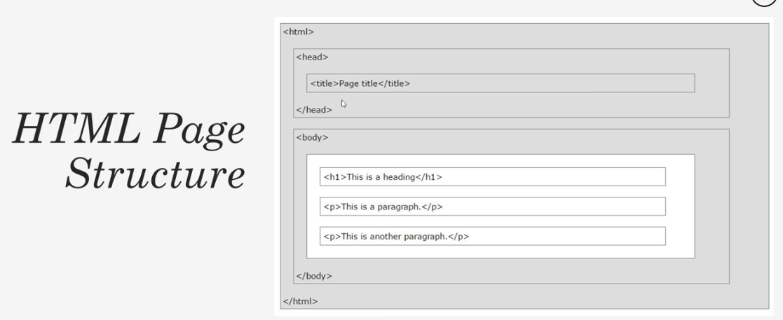
Hyper Text Markup Language
Cascading Style Sheets

Files MUST end in .html extension
index.html is the root/home page of any website

Tags - basic building blocks
<tagname>content</tagname>
Inline Elements - do not start a new line
 | <div>,<h1>-<h6>,<p>,<form>
Block Elements - start a new line & take full width avail.
 | <span>,<img>,<a>

<p>This is a paragraph</p>
<br> Line Break Tag, self closing

<!DOCTYPE html> |  | HTML5 doctype. Should be at top
<head>
Not actually part of the page. Contains info for browser
<title> |  | Goes to tab label
<h1>Headings</h1>
<p>
paragraph
</p>
<a href="http://google.com target="_blank">text for link</a>

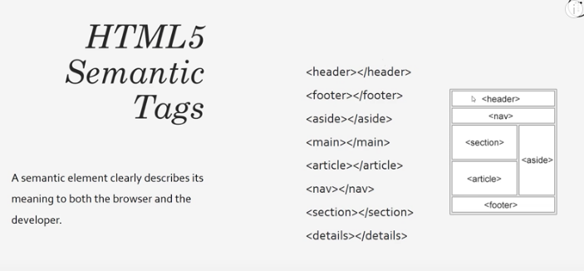
Tag Attributes
<tagname attributename = "attributevalue">content</tagname>

Lists
<ul> </ul> | Unordered list, typ used for menu items
<li> | List Item
<ol> | Ordered List, will be numbered

Tables |  | ONLY USE FOR TABULAR DATA
<table>
<thead> |  | row headings
<tbody> |  | body
<tr> |  | table row
<th> |  | table heading
<td> |  | table data

Forms
<form>
<label>
<input> |  | Types: "text","email","number","date"
<select>
<option value="male">Male</option>
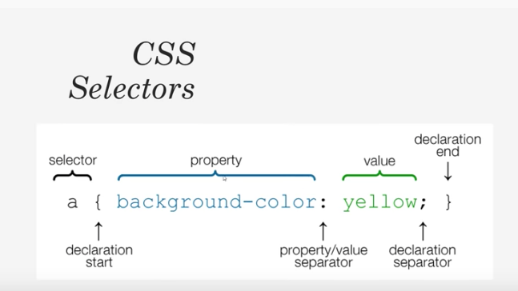
Images
<img src="folder/imagename.jpeg" alt="Image Not Found" width="200">

Adding CSS Options
Inline CSS |  | Not Recommended!
Internal CSS |  | OK but not typically used
External CSS |  | Best, allows for reuse

CSS Colors
Color Names |  | color: red
HTML5 Color Names |  | color: coral
Hexadecimal |  | color: #ffffff
RGB |  | color: rgb(0,0,255)

margin: top, right, bottom, left
margin: top&bottom, right&left
margin: top&right&bottom&left (all)

CSS Positioning
Static |  | default
Relative
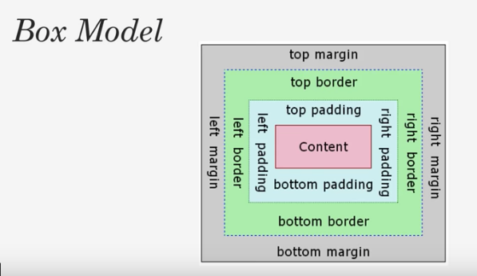
Absolute
Fixed
Initial
Inherit

